Tool Logic
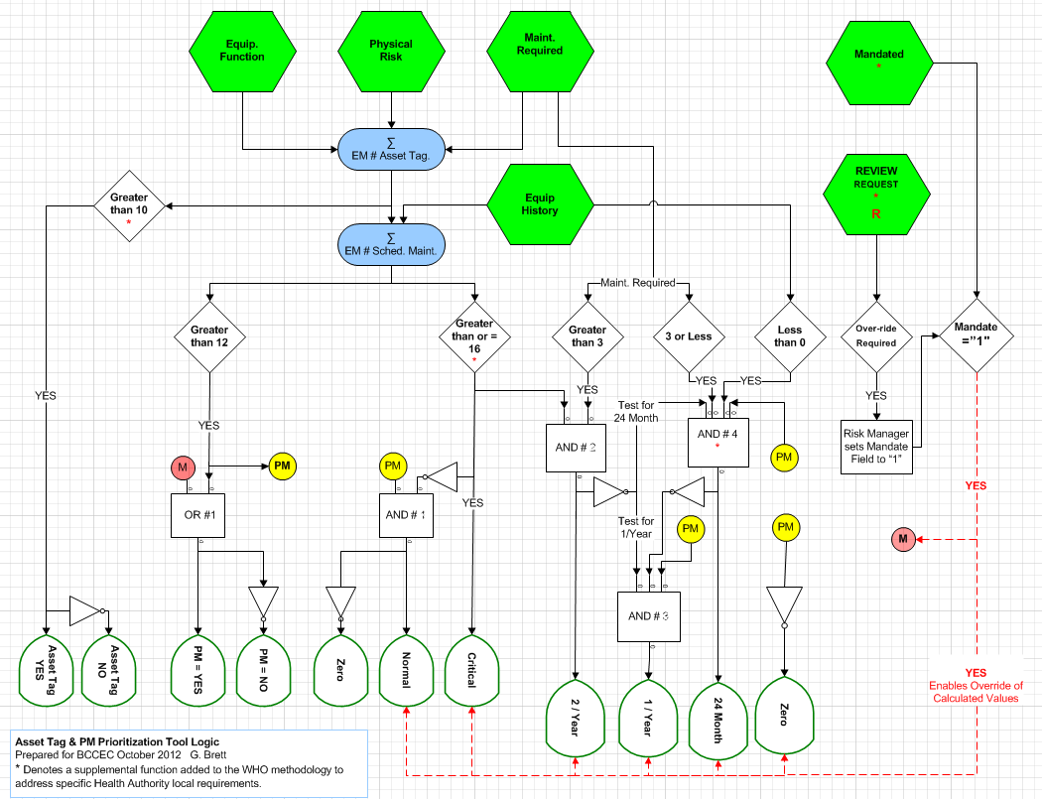
Each green hexagon is scored during incoming inspection by the BMET. Scores are summed to generate a two Equipment Maintenance Numbers (EM#). If the Asset Tag EM# is greater than 10 the device qualifies for inclusion in the Computerized Maintenance Management System (CMMS). If the Schedule Maintenance EM# is greater than 12 the device qualifies for Schedule Maintenance (SM). If SM EM# is greater than 16, Maintenance is Critical, scores of 13-15 are considerde NORMAL, scores of 12 or less indicate the device does not require SM. Critical devices are scheduled for maintenance 2/year if the Required Maintenance score is above average. NORMAL devices are scheduled for either annual or semi-annual maintenance as determined by their Required Maintenance & History scores. Over-rides can be generated to account for Mandated or Unique requirements which do not fit the normal model.

Executive Summary
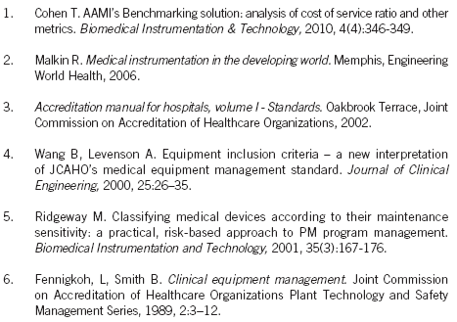
Executive Summary

Title |  | Scheduled Maintenance Evaluation Tool

Purpose |  | To provide a method for determining whether a medical device should be included in the Scheduled Preventive Maintenance program.

Top Risks | 1) 2) 3) | Decisions on Scheduled Maintenance not linked to a recognized standard. (Accreditation) Lack of Standardization between Health Authorities. Computerized Maintenance Management System (CMMS) not adequately maintained.

Lead |  | Greg Brett, Manager Biomedical Engineering Risk & Quality, IHA

Sponsor |  | Tim Rode, Director Biomedical Engineering, IHA

Recommendation

 | 1) 2) 3) | That IH Biomedical Engineering adopt a Preventive Maintenance Scheduling method based upon the recommendations of the World Health Organization. That IH Biomedical Engineering present the scheduling method to the BCCEC, seek constructive feedback/collaboration and discuss possible implementation across all B.C. Health Authorities. That a tool be developed to aid BMETs with evaluating new medical device's for inclusion in scheduled preventative maintenance.

Background

 | Presently, a medical device's inclusion in the scheduled preventive maintenance program is determined by referencing a document agreed to by all BC CEC members in 2006. New types of medical devices are constantly being introduced and opportunities to update the 2006 document have proven to be infrequent. As a result, BMETs in the field may not have sufficient guidance as to PM requirements. Medical devices not listed in the original 2006 BC CEC document, continue to be evaluated for Scheduled PM based on device Risk & PM Utility at a local level. There is some subjectivity involved in this scoring process which can lead to inconsistent scoring between Health Authorities. Increasingly, Biomedical Engineering Departments are required to report their Schedule Preventive Maintenance compliance and meet specific targets for Hospital Accreditation. Without standardization in Scheduled PM Frequency and Criticality accurate reports and the ability to compare Provincial norms is greatly compromised.

Discussion

 | · The Evaluation Tool attached to this document is a simple spreadsheet, which builds upon the foundational concepts found in the World Health Organizations (WHO) Medical Equipment Maintenance Overview. The intent of the tool is to provide an efficient evaluation method which could be made available to all BMETS, while still yielding an outcomes similar to those in the original CEC2006 document. · Separate schedules for Safety Inspections & Preventative Maintenance are not generated as both of these factors are considered during every Scheduled PM event. · The attached Tool sets specific parameters for inclusion in the Scheduled Preventive Maintenance program. (Inclusion: Yes/No; Criticality Critical/Normal; and Frequency 2/Year, 1/Year or 24 months) · The Tool is designed to be used to evaluate specific models of medical devices regardless of their physical location in the hospital. (i.e. Utilization is not currently factored in) This decision was made because utilization rates change with time and tracking this requires considerable additional workload, with questionable productivity gains. · The Tool adds one additional frequency to the WHO plan. This 24 month frequency is implemented where the known equipment history has demonstrated that an extended frequency is a practical & safe decision. ·

References

 | World Health Organization, Medical Equipment Maintenance Program Overview
 | The WHO document references the following authors:

BC CEC 2006
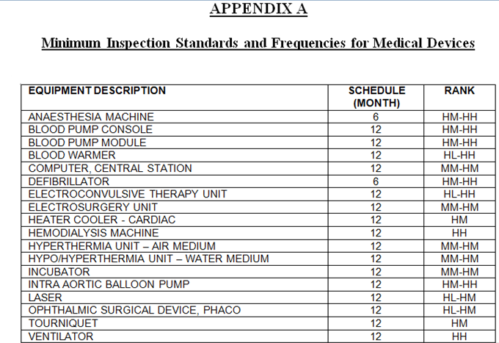
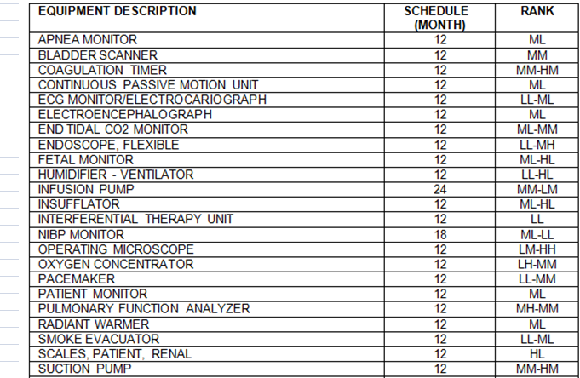
Mandatory Inspections | Recommended Inspections

